Instructions
This tool can be used to produce the required and optional reporting metrics in alignment with RMI’s plastic molding guidelines [https://rmi.org/insight/plastics-extrusion-and-molding-greenhouse-gas-emissions-reporting-guidance/], based on inputs specific to the user’s industrial operations. The guildines extend and reference several aspects of Together for Sustainability (TFS) chemical PCF guidelines [https://www.tfs-initiative.com/pcf-guideline].
Inputs
Sections A-C require you to to provide information about the company, plastic product, additives
Section D specifies the time boundary that is to be accounted for
Sections F-J require the user to report annual production, energy and material usage for the manufacturing of the product noted in Section B.
Sections F, G, and H collect information on electricity use (both purchased and generated on-site), material usage, and additive material usage respectively
If the attachment weight exceeds the 5% mass cutoff, the cell will turn red. In this case, the attachment weight should be included to the product weight.
Section I collects information on direct on-site fuel usage, with subsections for individual process units
Section J collections information on any relevant product transport
There is an “Optional” section, where the optional guidance metrics (data on renewable energy, recyclability, use phase, end of life, or additional credits) may be recorded
If any sections, subsections, or rows are not applicable to your operations, they can be left blank
For each energy/material usage reported, the data source, attribution methodology (line level, facility-level or company-level), and percentage of total energy use must be specified. The associated emissions factor and its source must also be specified.
For each energy/material usage reported, the upstream methane intensity, methane emissions factor, and their sources must be reported.
Calculations
The Calculations tab will use emissions data from the Inputs tab to calculate required and optional metrics in alignment with the guidance.
Outputs
The Outputs tab displays the required and optional reporting metrics that were calculated in the Calculations tab.
These include:
Product Emissions Intensity / Product Carbon Footprint (PCF)
Feedstock Methane Leak Emissions Intensity
Product Molding & Extrusion Energy Use Characteristics
Product Recyclability Characteristics
Product End of Life Characteristics

Methane Methodology
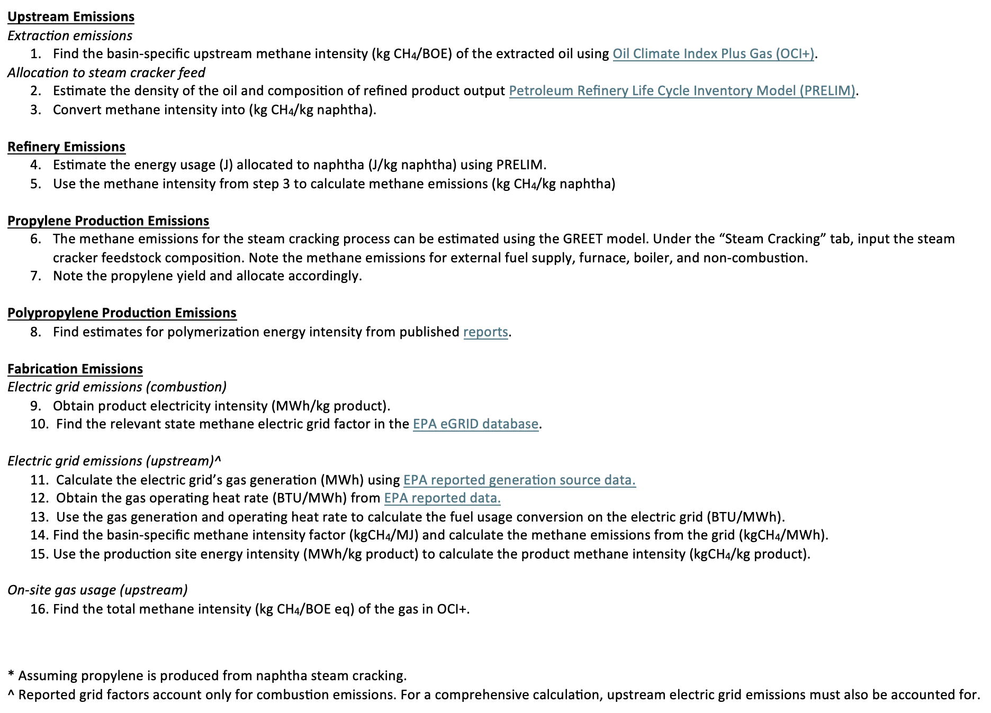

Resource | Link
OCI+ (RMI) | https://ociplus.rmi.org/
PRELIM (U Calgary) | https://www.ucalgary.ca/energy-technology-assessment/open-source-models/prelim
eGRID (EPA) | https://www.epa.gov/egrid/
Electricity Heat Rates (EPA) | https://www.eia.gov/electricity/annual/html/epa_08_01.html
Electricity Generation Sources (EPA) | https://www.eia.gov/electricity/monthly/
Polymerization Energy Usage (IPCC) | https://eta-publications.lbl.gov/sites/default/files/climate_and_plastic_report_final.pdf
Climate TRACE | https://climatetrace.org
Global Energy Monitor | https://globalenergymonitor.org
EIA Interstate Movement of Natural Gas | https://www.eia.gov/dnav/ng/ng_move_ist_a2dcu_nus_a.htm

Emissions Factors & Unit Conver
Source: |  |  |  | Cell drop-down lists:
Plastics Extrusion and Molding Greenhouse Gas Emissions Reporting Guidance - RMI
 |  |  |  | Supplier | Direct Measurement (preferred) | Direct Measurement | Yes | Most recent 12-mo period representative of average year of production | Direct Measurement | RecyClass | Direct Measurement | Utility Report
 |  |  |  |  | Bill of Materials | EEIO (see TFS Table 4.3)* | No | Average of last 3 years (calendar or reporting) | Estimated | APR Recyclability Category | Utility Report | Env. Attribute Certificate (e.g., REC, MiQ cert)
Table 1: Molding/Extrusion Process Energy Intensity by Resin Type |  |  |  |  | Purchase Records | Industry Average LCA |  |  |  | How2Recycle | Other | Regional Grid Factor Data
Resin Type | Process Type | Energy Intensity (kWh/kg)iii |  |  | Env. Attribute Certificate (e.g., REC, MiQ cert) | Specific PCF |  |  |  | Other |  | Other
LDPE | Injection Molding | 2.6 |  |  | Other | Supplier PCF
 | Blow Molding | 1.9 |  |  |  | Hybrid
 | Film Extrusion | 1.5 |  |  |  | Organization Carbon Footprint (OCF)
 | Other Extrusion | 3.8
 | Others | 3.4
LLDPE | Injection Molding | 2.6
 | Rotational Molding | 5.9
 | Film Extrusion | 1.3 |  |  |  | From TFS Product Carbon Footprint Guideline for the Chemical Industry, Section 4:
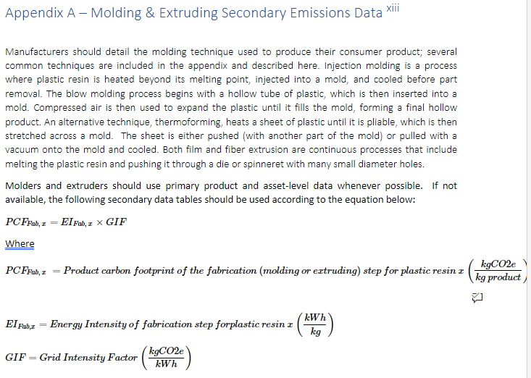
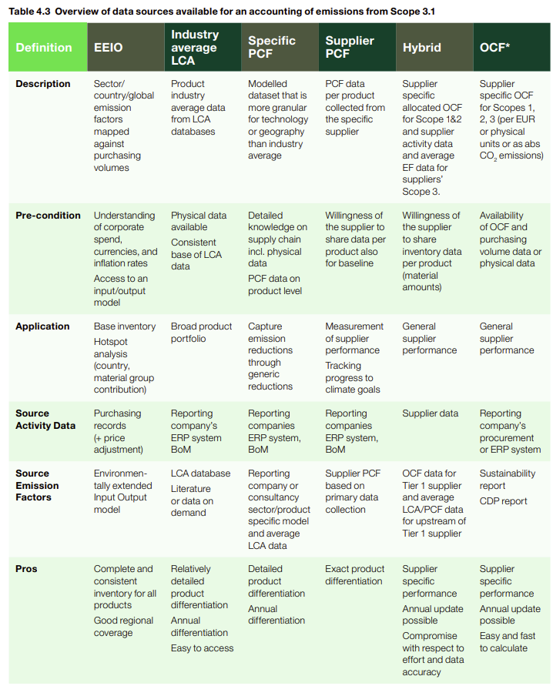
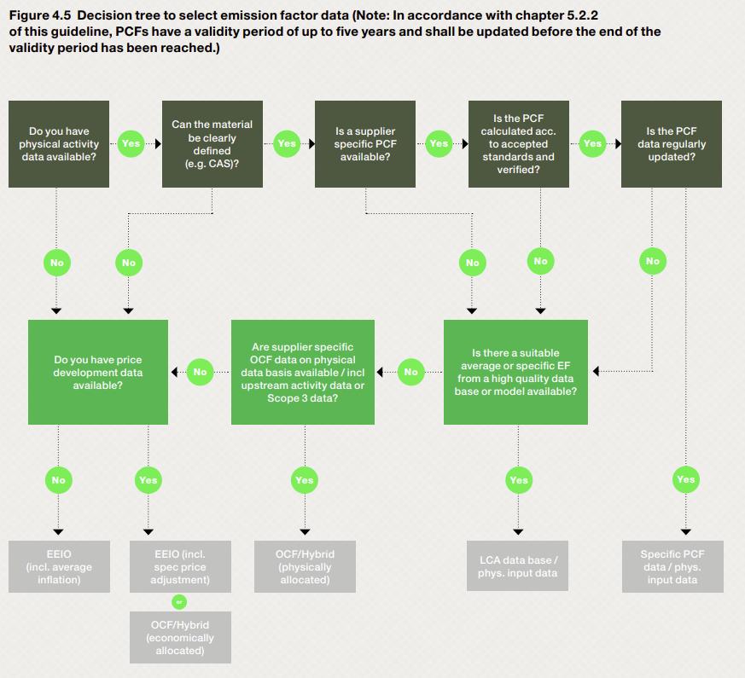
 | Others | 3.6
HDPE | Injection Molding | 2.8
 | Blow Molding | 2.2
 | Film Extrusion | 1.1
 | Other Extrusion | 3.8
 | Others | 3.4
PP | Injection Molding | 2.6
 | Blow Molding | 1.9
 | Extrusion | 1.5
 | Fiber | 1.8
 | Others | 2.3
PET | Film Extrusion | 1.5
 | Solid State (injection, blow molding, and extruding) | 2.2
 | Fiber | 1.7
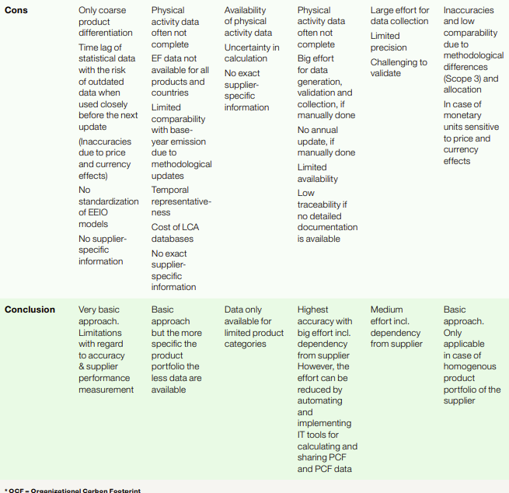
PVC | Films and Sheets | 1.6
 | Pipes and Fittings | 2.4
 | Profiles and Tubes | 2.6
 | Others | 2.1
PS | GPPS | 2.3
 | HIPS | 1.8
 | EPS and XPS | 1.9
 | ABS | 1.3
SAN and ABS | Others | 1.8
PUR | Rigid Foam | 1.8
 | Flexible Foam | 1.3
 | Flexible Foam Slabstuck | 1.3
 | Molded Foam | 2.0
 | Elastomer | 2.2
 | Others | 1.7

Table 2: Electricity Emissions Intensity by Region
Region | Grid Intensity (kgCO2e/kWh)
China | 0.580
EU | 0.216
India | 0.707
US | 0.353

Table 3: | Cradle-to-Pellet Production Emissions Intensity by Resin Type
Plastic Resin Type | Cradle-to-Pellet Virgin Resin Product Carbon Footprint (kgCO2e/kg resin)xv,xvi | Cradle-to-Pellet Mechanically Recycled Resin Product Carbon Footprint (kgCo2e/kg resin)xvii | Cradle-to-Pellet Solvent-Recycled Resin Product Carbon Footprint (kgCo2e/kg resin)xviii
LDPE | 2.2 | Assume a 67% reduction from virgin resin | Assume a 20% reduction from virgin resin
LLDPE | 2.2
HDPE | 2.2
PP | 2.2
PET | 3.7
PVC | 2.4
PS | 3.9
SAN and ABS | 3.8
PUR | 3.9

