Instructions
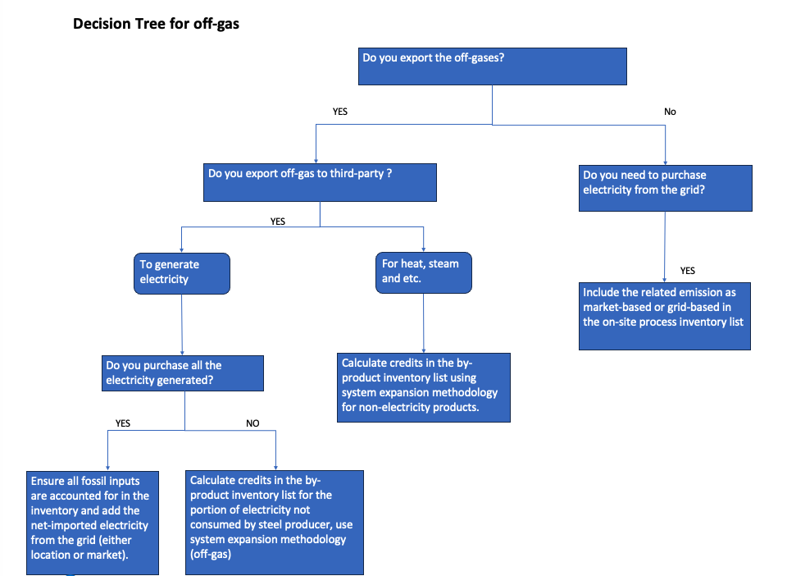
Steel Product-Level Calculation Tool
Instructions |  | System boundary
This calculation tool is designed for calculating the product-level carbon emission footprint for steel sector, together with other key metrics listed in the guidance to support green procurement. Steps: 1. Input production data in "Product-Level Calculation" to calculate emission footprint and other key metrics 2. Results for the key metrics are calculated at the top of the page. 3. Emission factors database is included in "Emission Factors" Sheet. Example filled-out calculation is included on the "Example" tab. 4. The yellow boxes are mandatory to fill in to auto-calculate the results in blue boxes. | Mandatory to fill in | The Cradle to Benchmarking Point Boundary is used to compare different steel product for green procurement. The Cradle to Gate Boundary, depending on the final product, are used for further emission footprint reporting.
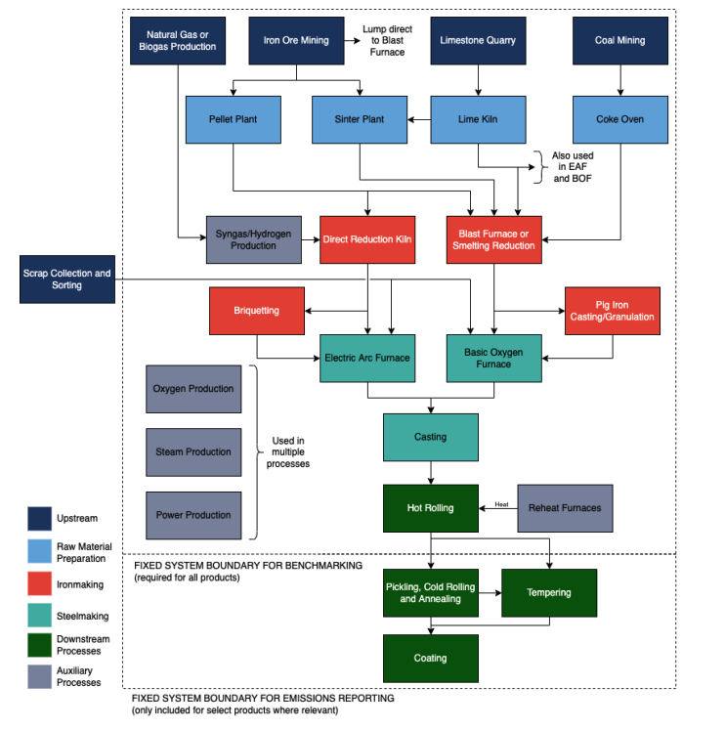
 | Final Result

This calculation sheet is designed to assist with the calculation of product-level emissions footprints against the two boundaries illustrated. To do this the excel tool allows for emissions calculations with inventories of material and energy use against different processes. The emissions inventory is then calculated for each process and is summed up to the boundaries. The user selects which process (starting in column D) should contribute to which boundary. A process can be anything like "sinter ptoduction", "Ironmaking in Blast Furnace", "Hot rolling" among others. Any number of processes may be used depending on the convience for the user against which they have inventory data. For emission factor types: Choosing “Site specific” requires you to fill the emission factor in the next column "Default" retreives default emission factor from the database sheet Under the "Indirect EF Type" column, choose "Included" if indirect emission already included in previous upstream processes If “Site specific” emission factors are used, please remove the "default" choice for emission type and make sure that "Site Specific" is selected. Selecting the "default" option restricts the manual entry of emission factor. The calculation also provides some default emissions factors - where a default emissions factor is not available it will result in a #N/A error. In this case the user is required to select and enter a site specific emissions factor. The “default” indirect emission factors for coal and natural gas includes fugitive methane emissions. If fugitive methane emissions from coal mining and the natural gas supply chain are separately disclosed by your fuel providers, enter that information in the “Methane” line item at the end of the “Emission Source/Type” table

