READ ME FIRST
Scroll to the right for "Primary Data Definitions" and Fixed System Boundary

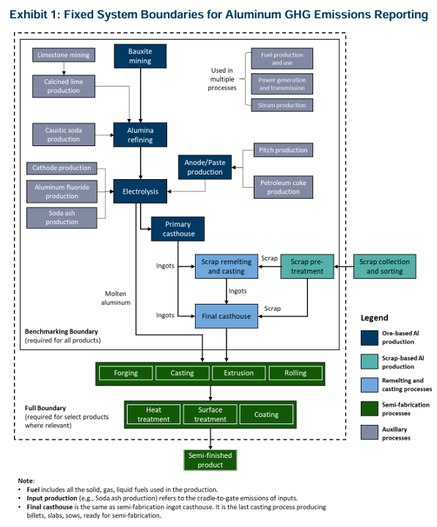

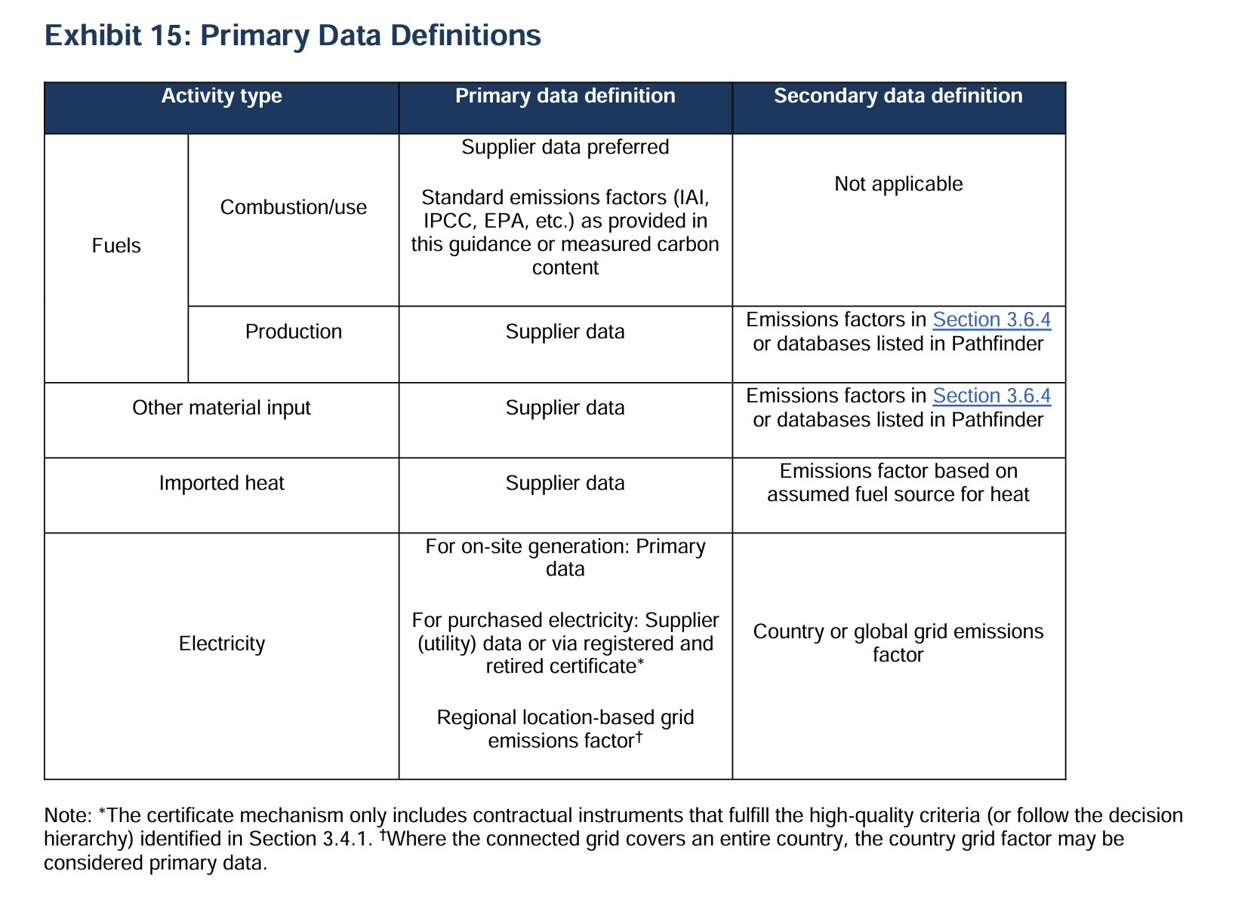

- Enter all the data from your facility in the "Final Casting", "Semi-Fabrication" tabs
- Get the other relevant data from your suppliers and include it in Table 2a of the "Final Casting" tab
- Use the other tabs from "Bauxite" to "Smelter Casting Scrap" to get even more granular data from your suppliers
- Enter all the data from your facility in the "Semi-Fabrication" tab
- Get the other relevant data from your suppliers and include it in Table 2a of the "Semi-Fabrication" tab
- Use the other tabs from "Bauxite" to "Final Casting" to get even more granular data from your suppliers
- Enter all the data from your facility in the "Mine to Smelter" and the "Smelter Casting Scrap" tabs
- Get the other relevant data from your suppliers and include it in Table 2 of the "Mine to Smelter" tab
- Use the other tabs from "Bauxite" to "Anode Production" to get even more granular data from your suppliers
- Share all the relevant information to downstream semis producers
- Enter all the data from your facility in the "Mine to Smelter", "Smelter Casting Scrap" and "Final Casting" tabs
- Get the other relevant data from your suppliers and include it in Table 2 of the "Mine to Smelter" tab
- Use the other tabs from "Bauxite" to "Anode Production" to get even more granular data from your suppliers
- Share all the relevant information to downstream semis producers

Self-gen and Contract Power
Site specific power generation, export, purchase emissions factors Calculation
 |  |  |  |  |  |  |  |  | Cell color code:
 |  |  |  |  |  |  |  |  | User entry
 |  |  |  |  |  |  |  |  | Auto calculaed value
 | (a) Combined Heat and Power plant |  |  |  |  |  |  |  | Default factors

 | Fuel Source | Unit | Fuel consumption | Emissions Factor (tCO2 eq/unit) | Source | Total steam output (MWh) | Total eletricity output (MWh) |  | RESULTS
 | Coal | MWh | 50 | 0.82 | IPCC AR5 WG 3, 2014 | 100 | 50 |  | CHP Steam EF (tCO2 eq/MWh)
 | Gas | MWh | 100 | 0.49 | IPCC AR5 WG 3, 2014 |  |  |  | 0.676
 | Other fossil | MWh | 80 | 0.66 | IPCC AR5 WG 3, 2014 |  |  |  | CHP Electricity EF (tCO2 eq/MWh)
 | Nuclear | MWh | 75 | 0.01 | IPCC AR5 WG 3, 2014 |  |  |  | 1.545
 | Hydro | MWh | 66 | 0.02 | IPCC AR5 WG 3, 2014 |  |  |  | Energy balance check
 | Wind | MWh |  | 0.01 | IPCC AR5 WG 3, 2014 |  |  |  | Pass
This guidance uses 'efficiency method' for calculating CO2 emissions from the combined heat and power plant, as recommended by GHG Protocl-CHP Guidance, 2006.
$E_{H}= \frac{H/e_{H}}{H/e_{H}+P/e_{P} }× E_{T} and E_{P}= E_{T}− E_{H}$
Where
$E_{P}$ and $E_{H}$ are the emissions allocated to electricity and steam production respectively
$E_{T}$ is the total emissions of the CHP plant
H is the steam output (MWh)
P is the generated electricity output (MWh)
$e_{H}$, $e_{p}$ are the assumed efficiency values of typical steam and power production. Standard value for $e_{H}$= 0.8 and $e_{P}=0.35$ (U.S. EPA, 2004)
 | Solar | MWh |  | 0.05 | IPCC AR5 WG 3, 2014
 | Bioenergy | MWh |  | 0.23 | IPCC AR5 WG 3, 2014
 | Other renewables | MWh |  | 0.06 | IPCC AR5 WG 3, 2014

 | Other parameters | deafult value | Site-specific value * |  |  | Useful unit conversions
 | eH | 0.8 |  |  |  | 1 MWh = 3.6 GJ
 | eP | 0.35 |  |  |  | 1 MWh = 3600 MJ
*Site-specific values can be calculated using the method described in section 6.4.2.2 of the International Aluminium Institute’s Aluminium Carbon Footprint Good Practice Guidance.
 |  |  |  |  |  | 1 GJ = 0.2778 MWh

 | (b) Non-CHP plant
 | Fuel Source | Unit | Power mix (%) | Emissions Factor (tCO2 eq/unit) | Source
 | Coal | MWh | 26% | 0.82 | IPCC AR5 WG 3, 2014
 | Gas | MWh | 38% | 0.49 | IPCC AR5 WG 3, 2014
 | Other fossil | MWh |  | 0.66 | IPCC AR5 WG 3, 2014
 | Nuclear | MWh | 25% | 0.01 | IPCC AR5 WG 3, 2014
 | Hydro | MWh |  | 0.02 | IPCC AR5 WG 3, 2014 |  |  |  | RESULTS
 | Wind | MWh |  | 0.01 | IPCC AR5 WG 3, 2014 |  |  |  | Self-generation EF (tCO2 eq/MWh)
 | Solar | MWh |  | 0.05 | IPCC AR5 WG 3, 2014 |  |  |  | 0.428
 | Bioenergy | MWh | 11% | 0.23 | IPCC AR5 WG 3, 2014 |  |  |  | Power mix cross-check
 | Other renewables | MWh |  | 0.06 | IPCC AR5 WG 3, 2014 |  |  |  | Pass

 | (c) Power purchase contracts

 | Power contracts | Unit | Purchased | Resold via contract** | Net consumed | Total site surplus power sale | Contract EF (tCO2 eq/unit) |  | RESULTS
 | Power contract 1 | MWh | 50 |  | 50 | 50 | 0.8 |  | Site weighted average EF (tCO2 eq/MWh)
 | Power contract 2 | MWh | 100 |  | 100 |  | 0 |  | 0.5
 | Power contract 3 | MWh | 150 | 100 | 50 |  | 1.2 |  | Total net consumption
 | Power contract 4 | MWh |  |  | 0 |  |  |  | 150
 | Power contract 5 | MWh |  |  | 0
 | Power contract 6 | MWh |  |  | 0
 | Power contract 7 | MWh |  |  | 0
 | Power contract 8 | MWh |  |  | 0
 | Power contract 9 | MWh |  |  | 0
 | Power contract 10 | MWh |  |  | 0
 | (add row if needed)

 | ** Resale via contract refers to re-selling part of energy via the same purchase contract. It should have a contract specific emission factor.

 | (d) Local Grid (default emissions factors cover full life-cycle) |  |  |  |  |  |  |  | (d1) Local Grid (default emissions factors cover just upstream emissions)(including infrastructure, supply chain, biogenic CO2 emissions, methane emissions)
 | Fuel Source | Unit | Power mix (%) | Emissions Factor (tCO2 eq/unit) | Source |  |  |  | Fuel Source | Unit | Power mix (%) | Emissions Factor (tCO2 eq/unit) | Source
 | Coal | MWh | 65% | 0.82 | IPCC AR5 WG 3, 2014 |  |  |  | Coal | MWh | 65% | 0.06 | IPCC AR5 WG 3, 2014
 | Gas | MWh | 33% | 0.49 | IPCC AR5 WG 3, 2014 |  |  |  | Gas | MWh | 33% | 0.09 | IPCC AR5 WG 3, 2014
 | Other fossil | MWh |  | 0.66 | IPCC AR5 WG 3, 2014 |  |  |  | Other fossil | MWh |  | 0.07 | IPCC AR5 WG 3, 2014
 | Nuclear | MWh | 1% | 0.01 | IPCC AR5 WG 3, 2014 |  |  |  | Nuclear | MWh | 1% | 0.01 | IPCC AR5 WG 3, 2014
 | Hydro | MWh |  | 0.02 | IPCC AR5 WG 3, 2014 |  | RESULTS |  | Hydro | MWh |  | 0.02 | IPCC AR5 WG 3, 2014 | RESULTS
 | Wind | MWh |  | 0.01 | IPCC AR5 WG 3, 2014 |  | Local Grid full life-cycle EF (tCO2 eq/MWh) |  | Wind | MWh |  | 0.01 | IPCC AR5 WG 3, 2014 | Local Grid upstream EF (tCO2 eq/MWh)
 | Solar | MWh |  | 0.05 | IPCC AR5 WG 3, 2014 |  | 0.697 |  | Solar | MWh |  | 0.05 | IPCC AR5 WG 3, 2014 | 0.069
 | Bioenergy | MWh | 1% | 0.23 | IPCC AR5 WG 3, 2014 |  | Power mix cross-check |  | Bioenergy | MWh | 1% | 0.23 | IPCC AR5 WG 3, 2014 | Power mix cross-check
 | Other renewables | MWh |  | 0.06 | IPCC AR5 WG 3, 2014 |  | Pass |  | Other renewables | MWh |  | 0.06 | IPCC AR5 WG 3, 2014 | Pass

 | (e) Self Generated Electricity
Total electricity generated |  | MWh
Total emissions from fuel used | - | tCO2e
Emissions source |  |  | Asset 1 |  |  |  |  |  | RESULTS
Source | Unit | Default EF (tCO2e/unit) | Purchased/ consumed | Sold | EF selection | Site EF (tCO2e/unit) | Total emissions (tCO2e) | Emissions Type | Self-generation EF (tCO2 eq/MWh)
 |  |  |  |  |  |  |  |  | #DIV/0!
Direct fuel use |  |  |  |  |  |  | -
Anthracite | t | 2.64 |  |  | Default |  | - | Primary
Other bituminous coal | t | 2.46 |  |  | Default |  | - | Primary
Sub bituminous coal | t | 1.83 |  |  | Default |  | - | Primary
Lignite | t | 1.21 |  |  | Default |  | - | Primary
Heavy oil/residual fuel oil | litre | 0.0029 |  |  | Default |  | - | Primary
Diesel | litre | 0.0027 |  |  | Default |  | - | Primary
LPG | litre | 0.0016 |  |  | Default |  | - | Primary
Natural gas | m3 | 0.0022 |  |  | Default |  | - | Primary
Natural gas | GJ | 0.06 |  |  | Default |  | - | Primary

Fuel extraction and production |  |  |  |  |  |  | -
Anthracite mining | t | 0.39 | - | - | Default |  | - | Secondary
Other bituminous coal mining | t | 0.38 | - | - | Default |  | -
Sub bituminous coal mining | t | 0.28 | - | - | Default |  | -
Lignite production | t | 0.17 | - | - | Default |  | -
Heavy oil/residual fuel oil production | litre | 0.0004 | - | - | Default |  | -
Diesel production | litre | 0.0006 | - | - | Default |  | -
LPG production | litre | 0.0002 | - | - | Default |  | -
Natural gas extraction | m3 | 0.0003 | - | - | Default |  | -
Natural gas extraction | GJ | 0.0087 | - | - | Default |  | -

Fugitive methane |  |  |  |  |  |  | -
Coal - surface mining | t | 0.11 |  |  | Default |  | -
Coal - underground mining | t | 0.36 |  |  | Default |  | -
Natural gas | m3 | 0.0003 |  |  | Default |  | -
Emissions total |  |  | - | - | - | - | -

